KTE
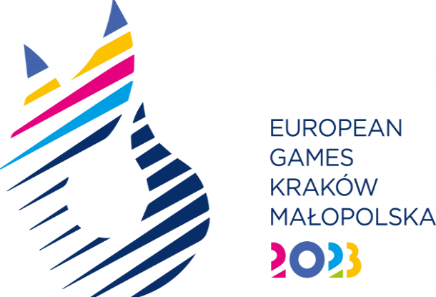
SPORT ENTRY FORM - Karate

National Olympic Committee

NOC Code

# | Registration Number | Preferred Family Name | Preferred Given Name | Date of Birth |  |  | Gender (M/F) | Event* | Type of qualification** | IF number
 |  |  |  | DD | MM | YYYY
1
2
3
4
5
6
7
8
9
10
11
12

* Please indicate the event where the athlete will participate
Men's Event |  |  | Women's Event
Kata |  |  | Kata
Kumite -60kg |  |  | Kumite -50kg
Kumite -67kg |  |  | Kumite -55kg
Kumite -75kg |  |  | Kumite -61kg
Kumite -84kg |  |  | Kumite -68kg
Kumite +84kg |  |  | Kumite +68kg

** Please indicate how the athlete obtained the quota
EKF: 58th EKF Championship medalists
EGS: European Games Standing
HC: Host Country Place
UP: Universality place

